Electrical Item for NFI at C1E
Lot 1 Electrical Bill of Quantities (BOQ) with Stock Items For NFI Distribution Point at Camp 1E, Ukhiya, Cox’s Bazar.
Item | Description (All the item must be supplied and installed as per TOR) | Unit of Measure | Quantity | Brands for reference only | Remarks | Reuired Minimum Warranty | Offered Warranty | Offered Brand Name | Specification Sheet/Brochure/Catalogue/Data sheet /Test certificate is submitted? (Bidder may submit one of the mentioned required document above) (Yes/No)

SECTION 1: Supply of Distribution Boards and Circuit breakers
1.1 | MDB of Camp 1E NFI Distribution Center
 | Three Phase Metal Distribution Board iP66, high qaulity rust proof and electric insulation paint, 100% water tight seal, with gastgets, fitted with digital Voltmeter+ammeters+selector switch (ph-N&ph-ph), and three phase indicator light, plexi-glass screen over the busbars) All other accessories as per technical specification & drawings. Size: 30"x24"x8", Copper bar size : 13"x1.25"x5 mm (3 No's For 3 Phase) and 8"x1.25"x 5mm (2 Nos For Neutral and Earthing) Maintain All Colour Code With Heatshrink Tube and Busbar Each Hole Distance Min 1.5" Mounted on insulator at both ends. Capacity : 200-300A Customize For : (Incoming - 1 TP MCCB, Outgoing- 5 DP MCB approved by the Engineer-in-charge. | Pcs | 1 | Manufacturer for reference only: products manufactured by reputable manufacturers based in Bangladesh, or equivalent, meeting the specified technical requirements and applicable standards, and subject to UNHCR acceptance. |  | 12 Month
 | 32 A TP MCCB, 400 V, 10 KA (Incoming) | Pcs | 1 | Schneider Electric, ABB, Siemens, Legrand, Havells, Chint, LS Electric, Hager, Eaton, Fuji Electric (for reference only) or equivalent products meeting or exceeding the required performance and quality standards, subject to UNHCR’s technical acceptance. |  | 12 Month
 | 32 A DP MCB, 220 V, 10 KA (Outgoing) | Pcs | 2 | Schneider Electric, ABB, Siemens, Legrand, Havells, Chint, LS Electric, Hager, Eaton, Fuji Electric (for reference only) or equivalent products meeting or exceeding the required performance and quality standards, subject to UNHCR’s technical acceptance. |  | 12 Month
 | 20 A DP MCB, 220 V, 10 KA (Outgoing) | Pcs | 3 | Schneider Electric, ABB, Siemens, Legrand, Havells, Chint, LS Electric, Hager, Eaton, Fuji Electric (for reference only) or equivalent products meeting or exceeding the required performance and quality standards, subject to UNHCR’s technical acceptance. |  | 12 Month
1.2 | DB 1: (Guard Room, EPR Room, Generator Room, Breast Feeding Room)
 | 12 Way; Plastic Distribution Board with Single Phase MCB Bar (For Internal Use, Surface Mount, High Quality Plastic, Complete Set with Din Rail Sealing Gasket, Neutral, Earth Wire Connector Strip) | Pcs | 1 | Manufacturer for reference only: products manufactured by reputable manufacturers, or equivalent, fully compliant with the specified technical requirements and applicable standards, and subject to UNHCR acceptance. |  | 12 Month
 | 20A, DP MCB, 220V, 10 KA (Incoming) | Pcs | 1 | Schneider Electric, ABB, Siemens, Legrand, Havells, Chint, LS Electric, Hager, Eaton, Fuji Electric (for reference only) or equivalent products meeting or exceeding the required performance and quality standards, subject to UNHCR’s technical acceptance. |  | 12 Month
 | 16 A SP MCB, 220 V, 10 KA (Outgoing) | Pcs | 3 | Schneider Electric, ABB, Siemens, Legrand, Havells, Chint, LS Electric, Hager, Eaton, Fuji Electric (for reference only) or equivalent products meeting or exceeding the required performance and quality standards, subject to UNHCR’s technical acceptance. |  | 12 Month
 | 10 A SP MCB, 220 V, 10 KA (Outgoing) | Pcs | 3 | Schneider Electric, ABB, Siemens, Legrand, Havells, Chint, LS Electric, Hager, Eaton, Fuji Electric (for reference only) or equivalent products meeting or exceeding the required performance and quality standards, subject to UNHCR’s technical acceptance. |  | 12 Month
1.3 | DB 2: Office Rooms
 | 10 Way; Plastic Distribution Board with Single Phase MCB Bar (For Internal Use, Surface Mount, High Quality Plastic, Complete Set with Din Rail Sealing Gasket, Neutral, Earth Wire Connector Strip) | Pcs | 1 | Manufacturer for reference only: products manufactured by reputable manufacturers, or equivalent, fully compliant with the specified technical requirements and applicable standards, and subject to UNHCR acceptance. |  | 12 Month
 | 20A, DP MCB, 220V, 10 KA (Incoming) | Pcs | 1 | Schneider Electric, ABB, Siemens, Legrand, Havells, Chint, LS Electric, Hager, Eaton, Fuji Electric (for reference only) or equivalent products meeting or exceeding the required performance and quality standards, subject to UNHCR’s technical acceptance. |  | 12 Month
 | 16 A SP MCB, 220 V, 10 KA (Outgoing) | Pcs | 2 | Schneider Electric, ABB, Siemens, Legrand, Havells, Chint, LS Electric, Hager, Eaton, Fuji Electric (for reference only) or equivalent products meeting or exceeding the required performance and quality standards, subject to UNHCR’s technical acceptance. |  | 12 Month
 | 10 A SP MCB, 220 V, 10 KA (Outgoing) | Pcs | 3 | Schneider Electric, ABB, Siemens, Legrand, Havells, Chint, LS Electric, Hager, Eaton, Fuji Electric (for reference only) or equivalent products meeting or exceeding the required performance and quality standards, subject to UNHCR’s technical acceptance. |  | 12 Month
1.4 | DB 3 : Waiting shade 1 (Male & Female)
 | 12 Way; Plastic Distribution Board with Single Phase MCB Bar (For Internal Use, Surface Mount, High Quality Plastic, Complete Set with Din Rail Sealing Gasket, Neutral, Earth Wire Connector Strip) | Pcs | 1 | Manufacturer for reference only: products manufactured by reputable manufacturers, or equivalent, fully compliant with the specified technical requirements and applicable standards, and subject to UNHCR acceptance. |  | 12 Month
 | 32 A, DP MCB, 220V, 10 KA (Incoming) | Pcs | 1 | Schneider Electric, ABB, Siemens, Legrand, Havells, Chint, LS Electric, Hager, Eaton, Fuji Electric (for reference only) or equivalent products meeting or exceeding the required performance and quality standards, subject to UNHCR’s technical acceptance. |  | 12 Month
...
6.15 | Cabel lug/shoe (Pin-shaped tip and U-shaped tip) 6rm Yellow | Pcs | 24 | Reputable Bangladesh‑ or China‑based manufacturer, or equivalent, subject to UNHCR/UN acceptance. |  | N/A
6.16 | Cabel lug/shoe (Pin-shaped tip and U-shaped tip) 6rm Blue | Pcs | 12 | Reputable Bangladesh‑ or China‑based manufacturer, or equivalent, subject to UNHCR/UN acceptance. |  | N/A
6.17 | Cabel lug/shoe (Pin-shaped tip and I-shaped tip) 6rm Black | Pcs | 12 | Reputable Bangladesh‑ or China‑based manufacturer, or equivalent, subject to UNHCR/UN acceptance. |  | N/A
6.18 | Cabel lug/shoe (Pin-shaped tip and I-shaped tip) 6rm Green | Pcs | 24 | Reputable Bangladesh‑ or China‑based manufacturer, or equivalent, subject to UNHCR/UN acceptance. |  | N/A
6.19 | Cabel lug/shoe (O-shaped tip and U-shaped tip) 10 rm | Pcs | 48 | Reputable Bangladesh‑ or China‑based manufacturer, or equivalent, subject to UNHCR/UN acceptance. |  | N/A
6.20 | 10mm SS Royal Bolt | Nos | 18 | Reputable Bangladesh‑ or China‑based manufacturer, or equivalent, subject to UNHCR/UN acceptance. |  | N/A
6.21 | Silicone Gum | Nos | 5 | Sambond, V-tech and Oci , or Equivalent Brand. |  | N/A
6.22 | No. Tag (0-9); Every Digit | Packet | 1 | Reputable Bangladesh‑ or China‑based manufacturer, or equivalent, subject to UNHCR/UN acceptance. |  | N/A
Total For Miscellaneous Items
SECTION 7: Supply of Earthing & Lightening Items
7.1 | 20 feet long, 40mm dia, 2.35 mm thickness GI Pipe, threaded both end (with 10mm thorough holes at every 500mm interval and every alternate hole 90 degree apart in direction) | Pcs | 9 | Brand for reference only: RFL Falcon, SIMEX, HATIM, GBTL, Steel Mark Ltd, or Equivalent Brand. | 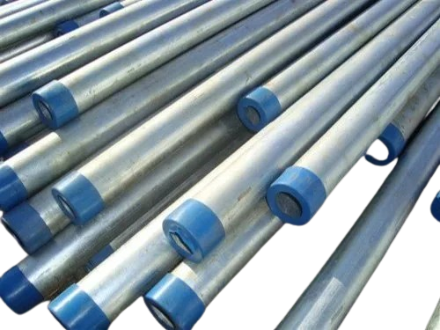 | 12 Month
7.2 | Copper MGB ( 14" x3" x 1/4" ) with accessories | Pcs | 4 | Brand for reference only: Coppertecch Indrustries Limited and HRR., or Equivalent Brand. | 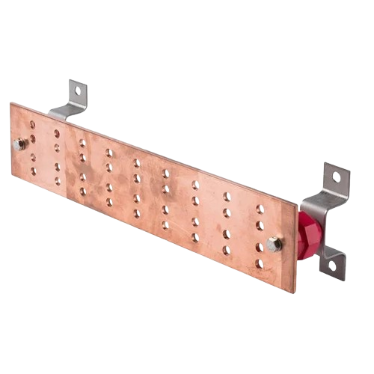 | 12 Month
7.3 | Air terminals 2 feet long, 12.7mm dia, Copper. | Pcs | 13 | Brand for reference only: Coppertecch Indrustries Limited and HRR., or Equivalent Brand. | 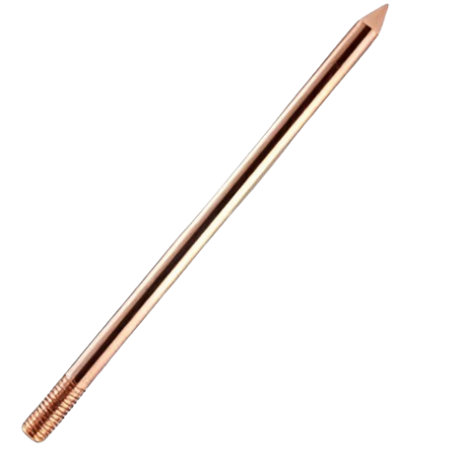 | 12 Month
7.4 | Air terminals Base Plate 75x75x5mm with 4 holes on 4 sides and 4 sets of nut-bolts, all Copper | Pcs | 13 | Brand for reference only: Coppertecch Indrustries Limited and HRR., or Equivalent Brand. | 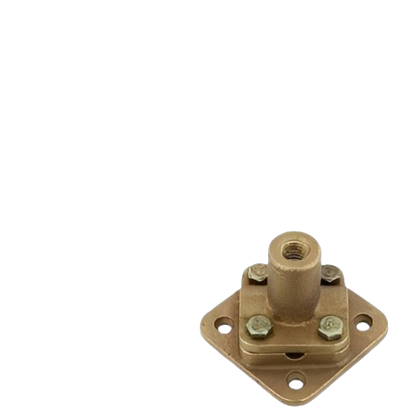 | 12 Month
7.5 | Air terminals Base Plate 75x75x5mm with 4 holes on 4 sides and 4 sets of nut-bolts, all Copper ( Joint Socket ) | Pcs | 6 | Brand for reference only: Coppertecch Indrustries Limited and HRR., or Equivalent Brand. | 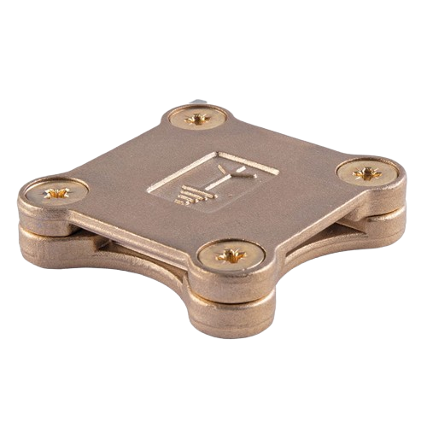
7.6 | Copper solid strip 20mm x 3mm (60 mm2) | Meter | 150 | Brand for reference only: Coppertecch Indrustries Limited and HRR., or Equivalent Brand. | 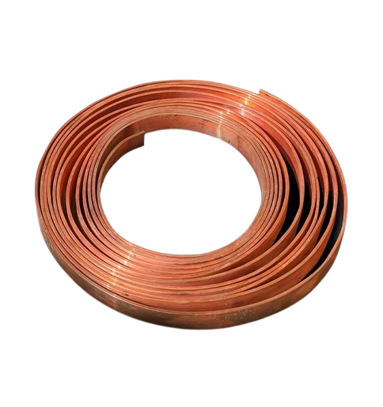 | 12 Month
7.7 | Ruppen Screw (2 inch) | Pcs | 100 | Reputable Bangladesh‑ or China‑based manufacturer, or equivalent, subject to UNHCR acceptance. | 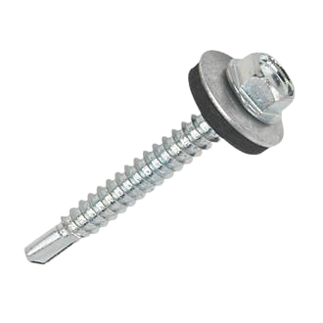 | 12 Month
7.8 | Copper Tape Clip | Pcs | 100 | Brand for reference only: Coppertecch Indrustries Limited and HRR., or Equivalent Brand. | 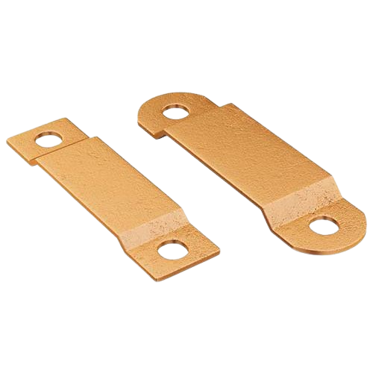 | 12 Month
7.9 | Inspection box with copper busbar (30mm x 5mm x 200mm) with 18 gauge steel sheet | Pcs | 5 | Reputable Bangladesh‑ or China‑based manufacturer, or equivalent, subject to UNHCR acceptance. | 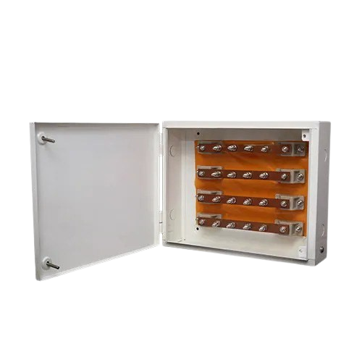 | 12 Month
7.10 | Insulator for installation of MGB | pcs | 8 | Brand for reference only: Coppertecch Indrustries Limited and HRR., or Equivalent Brand. | 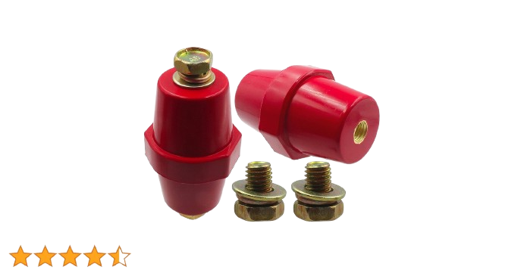 | 12 Month
7.11 | Solid Copper Earthing Rod 12.7mm dia. for main earthing - 60 ft long | Pcs | 3 | Brand for reference only: Coppertecch Indrustries Limited and HRR., or Equivalent Brand. |  | 12 Month
7.12 | Solid Copper Earthing Rod 12.7mm dia. for main earthing - 40 ft long | Pcs | 6 | Brand for reference only: Coppertecch Indrustries Limited and HRR., or Equivalent Brand. | 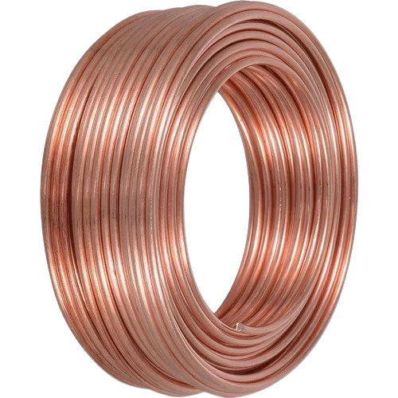 | 12 Month
7.13 | U-shaped clamp (Copper, used for cable-cable connection): 50 sqmm, min 190 amp | Pcs | 18 | Brand for reference only: Coppertecch Indrustries Limited and HRR., or Equivalent Brand. | 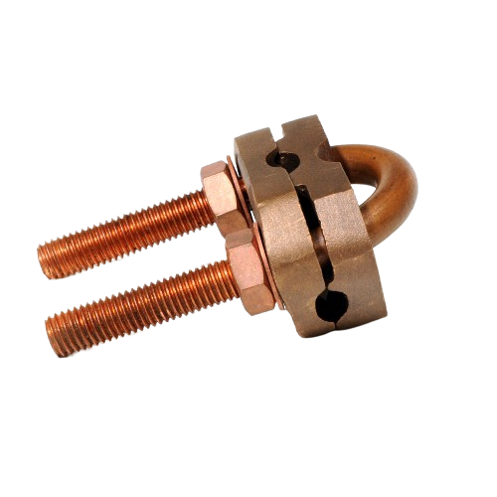 | 12 Month
7.14 | Rubber 5mm thickness 2' x 2' | Pcs | 4 | Reputable Bangladesh‑ or China‑based manufacturer, or equivalent, subject to UNHCR acceptance. | 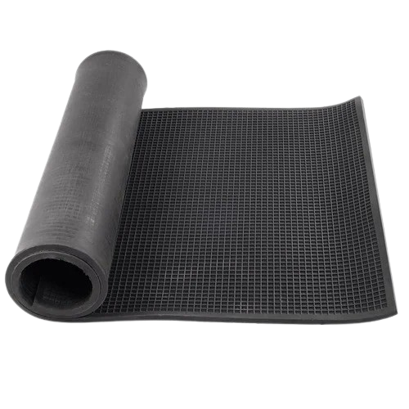 | 12 Month
7.15 | 25mm2 cable shoe/lug to connect 2SWG ECC | Pcs | 24 | Reputable Bangladesh‑ or China‑based manufacturer, or equivalent, subject to UNHCR acceptance. | 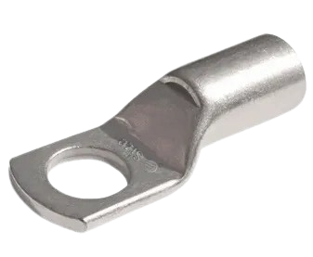 | 12 Month
Total For Supply of Earthing & Lightening Items
SECTION 8: Supply, Testing and Commissioning of Fire safety and Ditection Items
8.1 | Supply & fixing the following capacities multi purpose ABC dry chemical powder stored pressure type withmanometer system fire extinguisher suitable for repeated use complete with wall bracket, CO2 cartridge,easy refilling system etc. as per sample accepted & approved by the Engineer. Mono Amonium Phosphate based 40% ABC dry chemical agent & hasa moisture-proof, anti-caking properties. Working pressure : 12 BAR minimum & Test pressure : 25 BAR minimum. Proper fire rating (as per NFPA 10) according to the capacity of the extinguisher. Manufacturerer certificate shall have to be submitted if needed. Also sample of the dry chemical powder will be tested by the proper authority in Bangladesh if needed. Country of origin : CHINA / MALAYSIA or equivalent 5 Kg Capacity. | nos | 11 | Brand fpr reference only: Taifun, Sunrise, Hunter or Equivalent Brand, subject to UNHCR acceptance. |  | 12 Month
8.2 | Supply & fixing the following capacities Carbon-di-Oxide type fire extinguisher suitable for repeated use complete with wall bracket, discharge nozzle etc. as per sample accepted & approved by the Engineer. Country of origin : CHINA / MALAYSIA or equivalent product. 5 Kg. capacity.. | nos | 11 | Brand fpr reference only: Taifun, Sunrise, Hunter or Equivalent Brand, subject to UNHCR acceptance. |  | 12 Month
8.3 | Conventional fire alarm control panels : Supply and installation of 08 zone conventional fire alarm control panel with power supply unit, batteries and other accessories. The panel shall be complete with zone indicating LED, faultindication and optionaltelephone jack etc. The panel shall have input 220V AC and output 24V DC.Panel shall be confirmed UL listed / FM approvedapproved. Country of origin : AUSTRALIA / CANADA / JAPAN / USA / European countries or their licensed manufacturing units located globally. 08 zone capacity | Each | 1 | Brand for reference only: Asenware, COOPER, Triga, Fiffco or Equivalent Brand, subject to UNHCR acceptance. |  | 12 Month
8.4 | INITIATING DEVICES SMOKE DETECTOR ( CONVENTIONAL TYPE) Supply and installation of conventional smoke detector complete with base. Shall be UL listed / FM approved. Shall have built-in alarm LED. Power supply shall be 24VDC. | Each | 4 | Brand for reference only: Asenware, COOPER, Triga, Fiffco or Equivalent Brand, subject to UNHCR acceptance. |  | 12 Month
8.5 | INITIATING DEVICES Heat Detector( CONVENTIONAL TYPE) Supply and installation of conventional heat detector complete with base. Shall be UL listed / FM approved. Shall have built-in alarm LED. Power supply shall be 24VDC | Each | 1 | Brand for reference only: Asenware, COOPER, Triga, Fiffco or Equivalent Brand, subject to UNHCR acceptance. |  | 12 Month
8.6 | INITIATING DEVICES Manual call point ( CONVENTIONAL TYPE) Supply and installation of conventional type manual call point like break glass switch or single action pull station complete with back box and all other accessories and consumables. Power supply shall be 24V DC. It shall be UL listed / FM approved . | Each | 5 | Brand for reference only: Asenware, COOPER, Triga, Fiffco or Equivalent Brand, subject to UNHCR acceptance. |  | 12 Month
8.7 | Notification devices Strobe / horn with strobe Supply and installation of conventional type horn with strobe for notification purpose complete with back box, suitable to produce electronic sound level of 87 to 95 dBA @ 3 meter and illumination shall be not less than 75 candela red color shall be UL listed / FM approved . Power supply shall be 24VDC. | Each | 6 | Brand for reference only: Asenware, COOPER, Triga, Fiffco or Equivalent Brand, subject to UNHCR acceptance. |  | 12 Month
8.8 | SIGNALING CABLE WITH PVC CONDUIT & ACCESSORIES Surface conduit wiring with the following FPLR/ FPLP/ FPL type UL listed / FM Approved / LPCB Approved cable. PVC Insulation for each core shall be FR (Fire Rated) & Drain wire, shield (Aluminum Foil tape/ PET tape) shall meet the minimum requirement as per NEC (National Electric Code) or NFPA 70 or BS. Jacket shall be Fire Rated. All electrical contacts shall be of brass / copper connected through connector or soldering (no twisting shall be allowed) . The work shall be carried out as per direction & approval of the Engineer in charge. 2C-1.5 sqmm (FPLR/ FPLP/ FPL ) cable with 1.5 sqmm (FR) ECC wire through PVC pipe of minimum inner dia 25 mm having wall thickness of 1.5 mm | Meter | 126 | Brand for reference only: Tianjie Indrustrial or Equivalent Brand, subject to UNHCR acceptance. |  | 12 Month
...

